Instructions
General flow of how the model works:
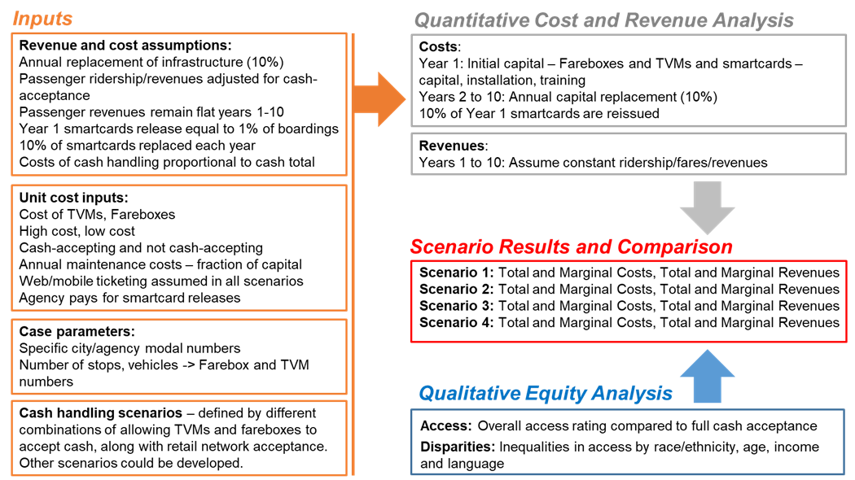

Instructions:
Background and details about the modal can be found in Chapter 4 of the project final report, found at:
https://nitc.trec.pdx.edu/research/project/1268/Applying_an_Equity_Lens_to_Automated_Payment_Solutions_for_Public_Transportation
We strongly encourage you to read that chapter before using the model.
Please only edit pink cells - these are inputs to be tailored for your specific case. Other cells should be left alone.
There are a few comments in certain places to explain a particular area.

To use, we would suggest the following steps:
Update the numbers in the top table in the Case and Scenario Parameters sheet
Review existing survey work or convene a meeting of agency staff and others with knowledge of fare payment behavior to estimate the share of riders excluded under each payment system scenario. Use these numbers in the bottom table on the Case and Scenario Parameters worksheet.
The qualitative analysis also requires additional research or discussions among staff or others with knowledge of fare payment behavior. Here disparities among riders by age, race/ethnicity, language and income (if any) are needed to understand how the different fare payment systems scenarios may affect different groups of riders differently. Again, refer to chapter 4 in the final report for more on how we estimated these numbers.

If you have questions - feel free to reach out to the project leader Aaron Golub at agolub@pdx.edu

